Covariance
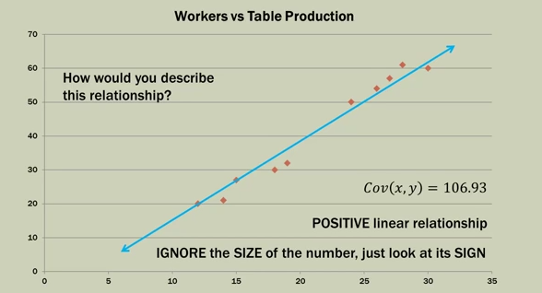
Statistics 101
How to calculate covariance
Covariance - A descriptive measure of the linier association between two variables
A positive value indicates a direct or increasing linear relationship
A negative value indicates a decreasing relationship

- Direction = Sign + So if the covariance is positive the slope of the lign is up and to the right, if the covariance is negative the slope of the lign is down and to the right

The Covariance indicates nothing about the strength of the relationship only its direction
Correlation idicates the strength of the relationship
The corelation takes into account the what the covariance is

Formula for finding Covariance
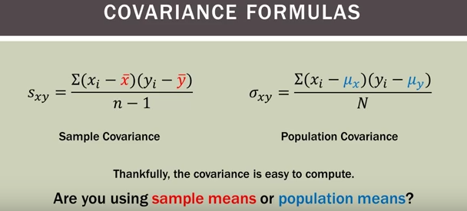

The only thing that realy changes is the denominator. If you are looking for the sample covariance you would do n-1 and in population covariance it is just N

Sample Covariance explained: |  |  | On top of the fraction you take (X(which is each data point for variable 1) - X(with the line over it is the mean or avg)) then(Y(each data point for variable2)-Y(the mean for Y)) The € summation sign means that after we find all of the X's - Xmean and Y's - Ymean we will sum them all up and then multiply them

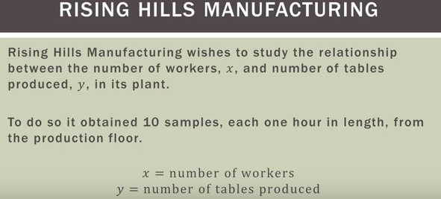
 |  |  |  |  | X | Y | (Xi-Xmean) | (Yi-Ymean) | (Xi-Xmean)(Yi-Ymean)
 | Example |  |  |  | 12 | 20 | -9.3 | -21.2 | 197.16
 |  |  |  |  | 30 | 60 | 8.7 | 18.8 | 163.56
 |  |  |  |  | 15 | 27 | -6.3 | -14.2 | 89.46
 |  |  |  |  | 24 | 50 | 2.7 | 8.8 | 23.76
 |  |  |  |  | 14 | 21 | -7.3 | -20.2 | 147.46
 |  |  |  |  | 18 | 30 | -3.3 | -11.2 | 36.96
 |  |  |  |  | 28 | 61 | 6.7 | 19.8 | 132.66
 |  |  |  |  | 26 | 54 | 4.7 | 12.8 | 60.16
 |  |  |  |  | 19 | 32 | -2.3 | -9.2 | 21.16
 |  |  |  |  | 27 | 57 | 5.7 | 15.8 | 90.06
 |  |  |  | Mean | 21.3 | 41.2 |  |  | 962.4
Scatter Plot of This Data

 |  | #remember that n is the number of samples taken so in this example the denominator would be 9
 |  | Cov(X,Y)=Sxy= 962.4/n-1

 |  | Covariance for this would be
 |  | Cov(x,y) = | 106.93
 |  | Positive linear relationship
 |  | The size of the number doesn't mean anything , just look at the sign of the number and this is positive

Correlation
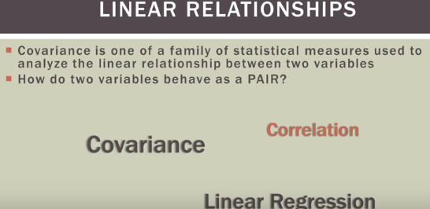

Covariance provides the Direction (positive, negative, near zero) of the linear relationship between two variables
• while correlation provides the direction and strength
Covariance result has no upper or lower bound and its size is dependent on the scale of the variables
• While correlation is always between -1 and +1 and its scale is INDEPENDENT of the scale of the variables themselves. (this allows us to look at the correlation between two things that don't have the same variables for example the temperature and the amount of KW's we use as energy in our homes.)
Covariance is not standardized
• While correlation is standardized. (ex. The z-score)

Correlation Caveats
1. Before going crazy computing correlations look at a scatterplot of your data. What pattern (if any) does it exhibit?
2. Correlation is only applicable to LINEAR relationships. There are many other types of relationships that can exist between two variables ; ex. Energy use vs Outside Temperature
3. Correlation is NOT Causation
a. Spurious correlation: two completely unrelated factors that may have a mathmatical correlation but have NO sensible correlation in real life; # dog barks vs. moon phases.
4. Correlation strength does not necissarily mean the correlation is stitistically significant; related to the sample size.

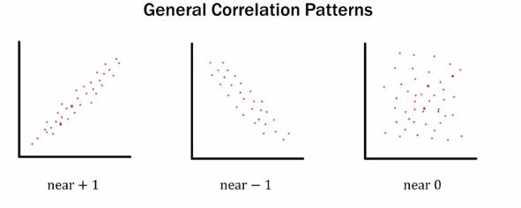

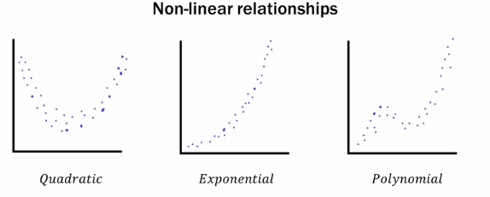

This is why you need to look at a scatterplot of your data to see if it is linear to see if it is applicable for doing correlations

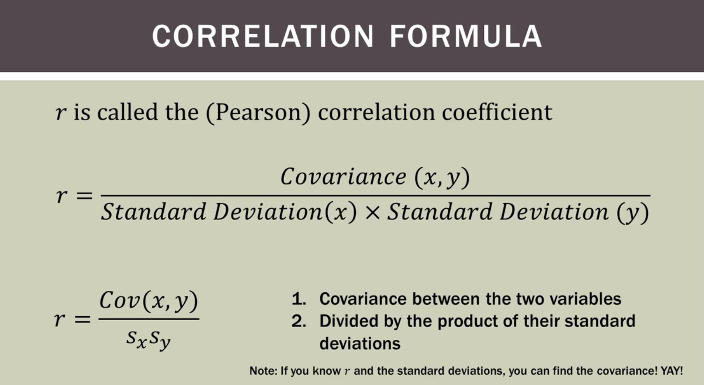

If you have any 3 of these you can actually find the 4th.

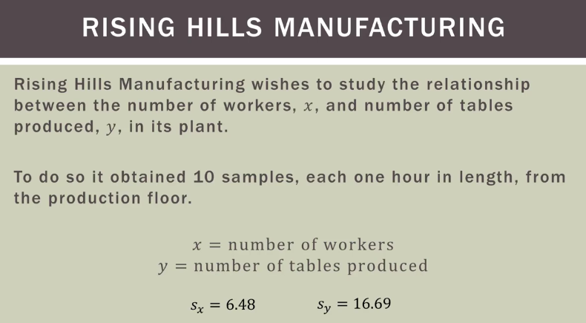
 |  | Remember when you are calculating the correlation you need the 2 standard diviations

 |  |  | Covariance of the Risisng Hills Manufacturing Problem
 |  |  | X | Y | (Xi-Xmean) | (Yi-Ymean) | (Xi-Xmean)(Yi-Ymean)
 |  |  | 12 | 20 | -9.3 | -21.2 | 197.16 |  | Cov(X,Y)=Sxy= 962.4/n-1
 |  |  | 30 | 60 | 8.7 | 18.8 | 163.56
 |  |  | 15 | 27 | -6.3 | -14.2 | 89.46 |  | Covariance for this would be
 |  |  | 24 | 50 | 2.7 | 8.8 | 23.76 |  | Cov(x,y) = | 106.93
 |  |  | 14 | 21 | -7.3 | -20.2 | 147.46
 |  |  | 18 | 30 | -3.3 | -11.2 | 36.96
 |  |  | 28 | 61 | 6.7 | 19.8 | 132.66 |  | 106.93
 |  |  | 26 | 54 | 4.7 | 12.8 | 60.16 | r= | 6.48*16.69
 |  |  | 19 | 32 | -2.3 | -9.2 | 21.16
 |  |  | 27 | 57 | 5.7 | 15.8 | 90.06 |  | 106.93
 |  |  | 21.3 | 41.2 |  |  | 962.4 | r= | 108.1512 | = | 0.989

 | Standard Diviation |  | 6.48 | 16.69 |  |  |  | r= correlation
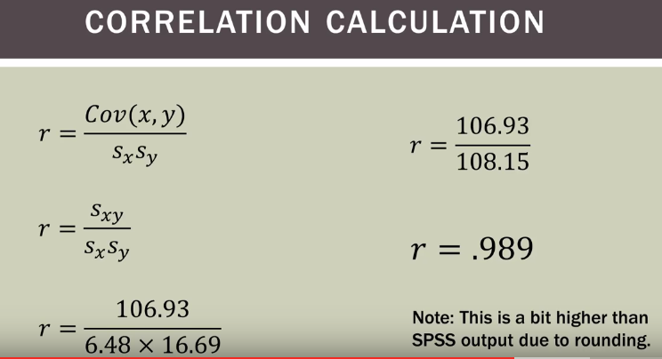

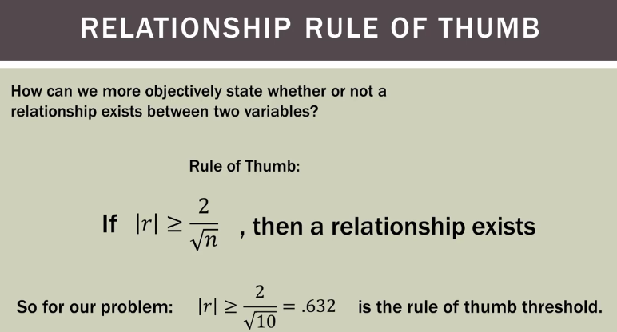
 | r= correlation
 | If the absolute value of |r| > 2/sqrt of population size

 | as long as the "|r|" (correlation) > 2/sqrt(number of samples) then there is a correlation.
 | Remember this works if the correlation is - also.

